Bug Report
Bug # | Status | Raised By | Tested on Version | Test Case Id | Step to Reproduce | Expected Results | Actual Results | Screen Shot | Priority | Severity

BR_1 | Open | Bijaya | 3.1 | SM_6 | 1) Click "Delete Account". 2) Enter the "Account No". 3) Click the "Submit" button. | Pop-Up Message : Do you really want to delete this account ? | Error : No Pop-Up message is shown. | 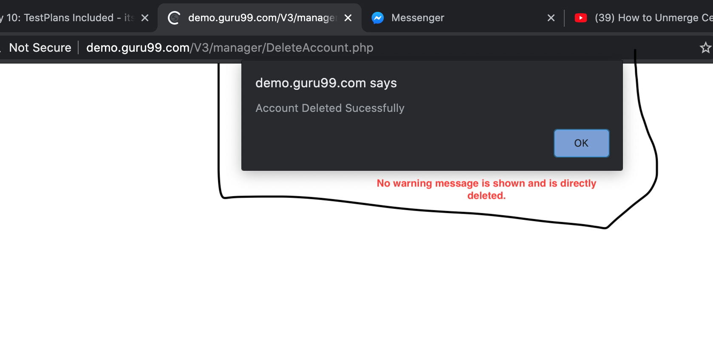 | High | High
BR_2 | Open | Bijaya | 3.1 | SM_12 | 1) Click the Delete Customer 2) Enter the Customer id. 3) Click the "Submit" button. | Pop-Up Message : Are you sure you want to delete this customer ? | Error : Customer is deleted without any warning. |  | Low | Low
BR_3 | Open | Bijaya | 3.1 | SM_16 | 1) Click the Edit Customer 2) Enter the non-existing Customer id. 3) Click the "Submit" button. | Pop-Up Message : Customer does not exist. | Error : You are not authrozied to edit this customer. | 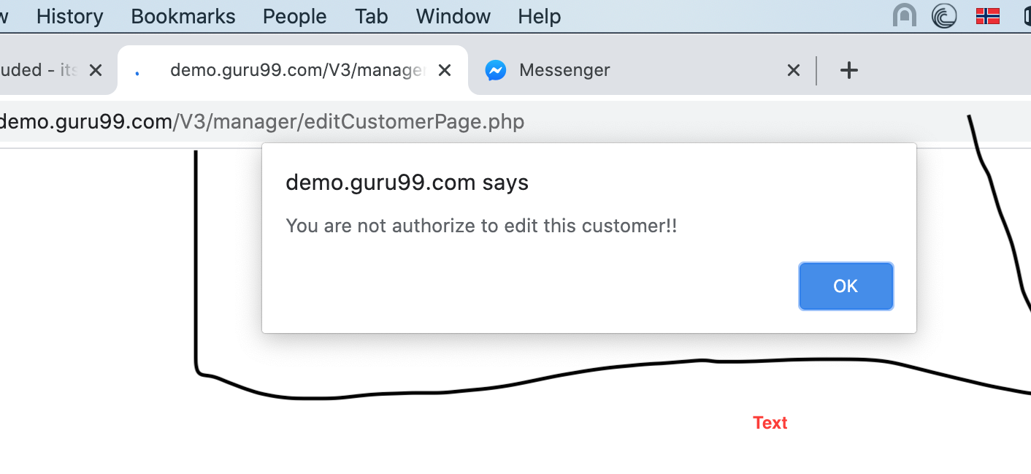 | Low | Low
BR_4 | Open | Bijaya | 3.1 | SM_21 | 1) Click the "Fund Transfer". 2) Fill up the details. (Invalid account no of Payers/Payees) 3) Click the "Submit" button. | Pop-Up Message : Invalid account no. | Error : Fund transfered successed | 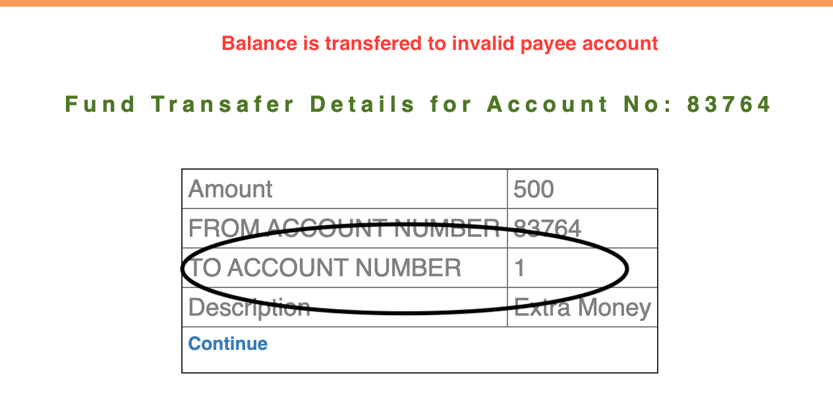 | High | High
BR_5 | Open | Bijaya | 3.1 | SM_22 | 1) Click the ""Fund Transfer"". 2) Fill up the details. (Non-associated account no of Payees) 3) Click the "Submit" button. | Pop-Up Message : You are not authorized to transfer fund to "this" (Payees Account). | Error : Wrong error message is shown. | 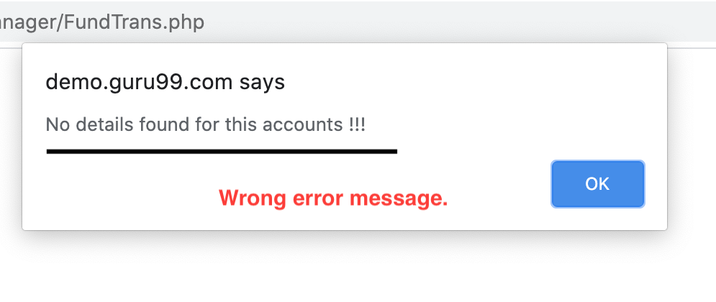 | Low | Low
BR_6 | Open | Bijaya | 3.1 | SM_23 | 1) Click the ""Fund Transfer"". 2) Fill up the details. (Same account no of Payers and Payees) 3) Click the "Submit" button. | Pop-Up Message : Fund cannot be transferred within a same account. | Error : Fund transferred with account. | 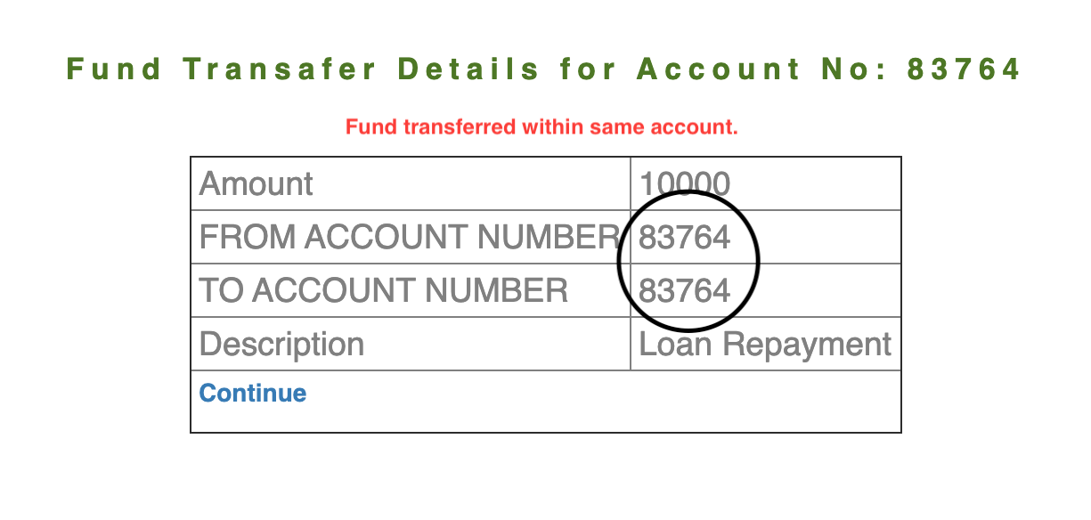 | High | High
BR_7 | Open | Bijaya | 3.1 | SM_24 | 1) Click the "Customized Statements". 2) Fill up the details. 3) Click the "Submit" button. | Should show the detail / customization of account (Fund Transfered Recently) | Error : Does not show complete transcations |  | High | Low
BR_8 | Open | Bijaya | 3.1 | SM_29 | 1) Click ""Edit Customer"". 2) Enter the non-existing customer id : 01 3) Click the submit button. | Pop-Up Message : Customer does not exist. | Error : Wrong error message is shown. | 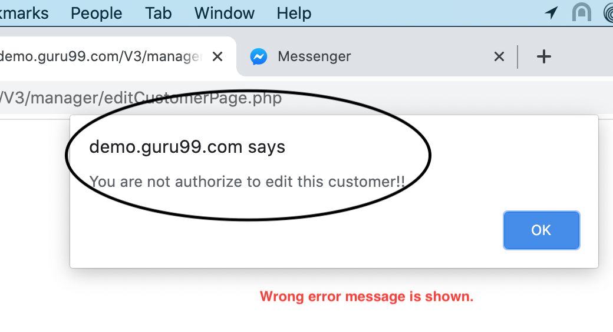 | Low | Low
BR_9 | Open | Bijaya | 3.1 | SM_31 | 1) Click the "Deposit" 2) Fill up the details (Invalid account no) 3) Click the "Submit" button. | Pop-Up Message: Account No is invalid. | Error : Wrong error message is shown. |  | Low | Low
BR_10 | Open | Bijaya | 3.1 | SM_39 | 1) Click the "Customised Account". 2) Fill up the detail information (Non-associated account no) 3) Click the "Submit" button | Pop-Up Message : You are not authorised to see the detail of this account. | Error : Wrong error message is shown. | 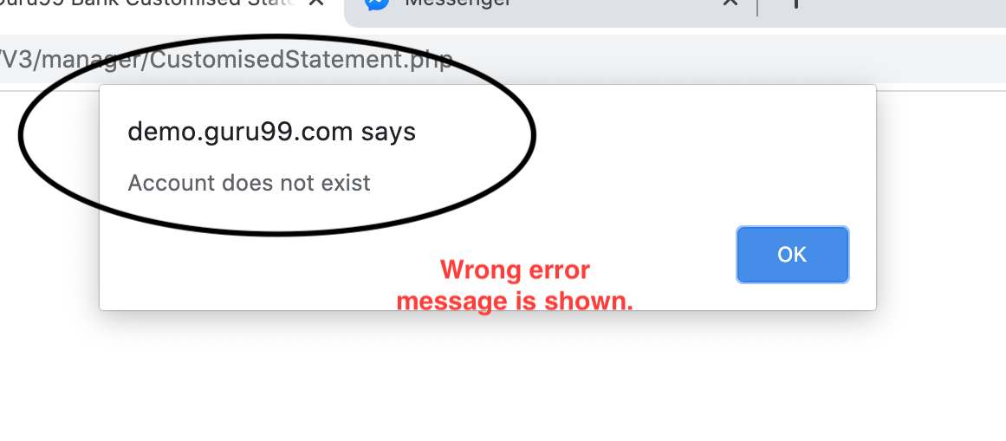 | Low | Low
BR_11 | Open | Bijaya | 3.1 | SM_41 | 1) Click the "Customised Account". 2) Fill up the detail information (From Date > To Date) 3) Click the "Submit" button | Show show the detail transcation of account no. | Error : Wrong error message is shown. | 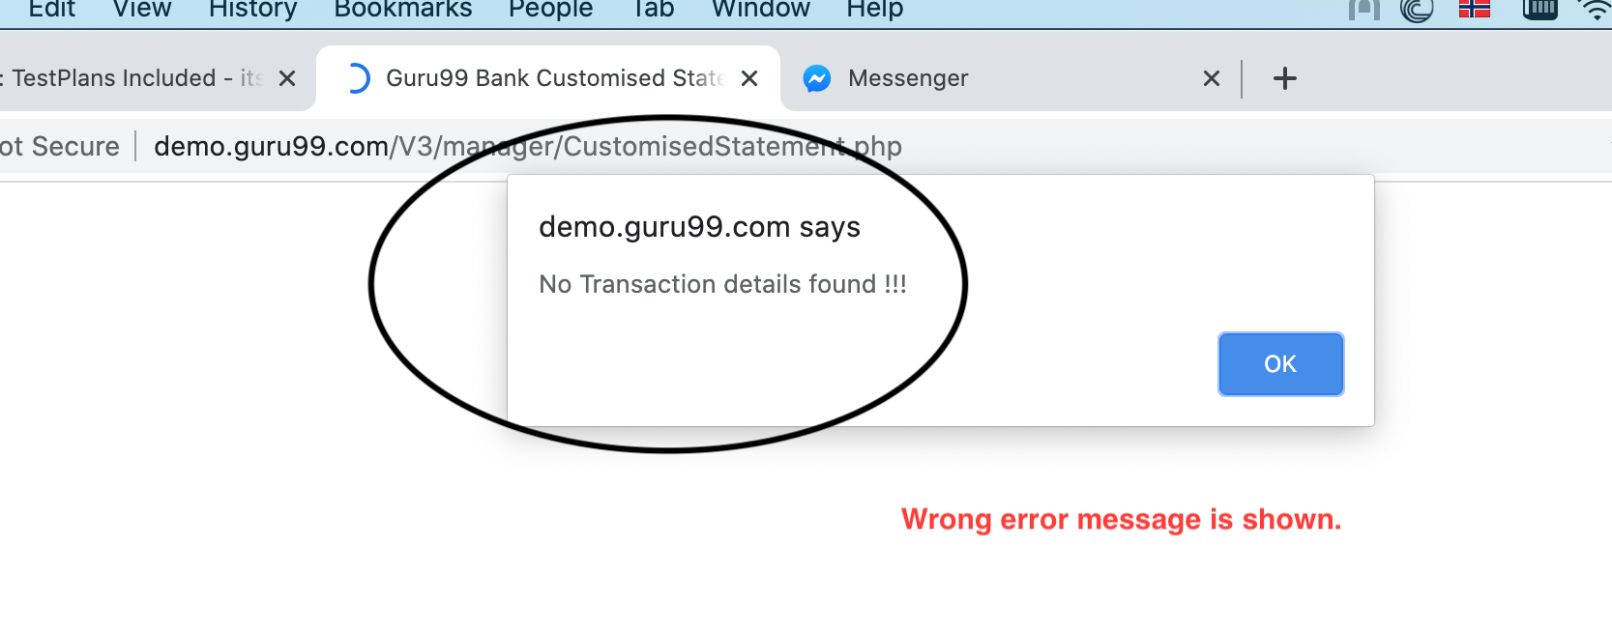 | Low | Low
BR_12 | Open | Bijaya | 3.1 | SC_2 | 1) Click the "Balance Enquiry". 2) Enter the account no of other customer. 3) Click the submit button | Pop-Up Message : You are not authorized to check the balance of this account. | Error : Customer are able to check the account of other customer as well. | 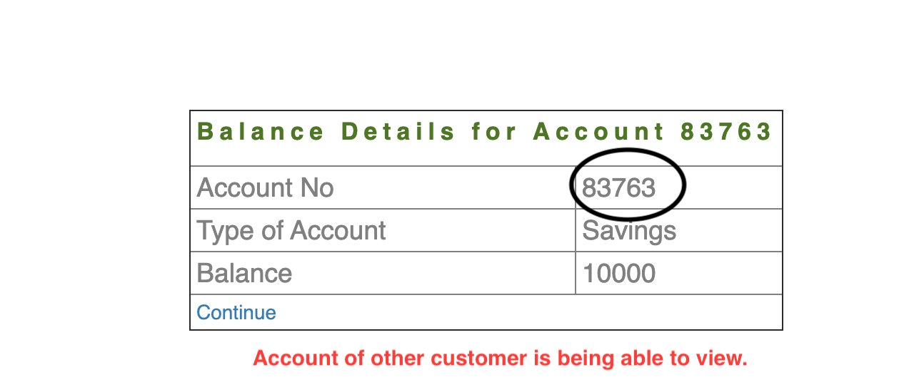 | High | High
BR_13 | Open | Bijaya | 3.1 | SC_3 | 1) Click the "Balance Enquiry". 2) Enter the account no of other customer. 3) Click the submit button | Pop-Up Message : Account does not exists. | Error : Customer are able to check the account of non-exsiting customer as well. | 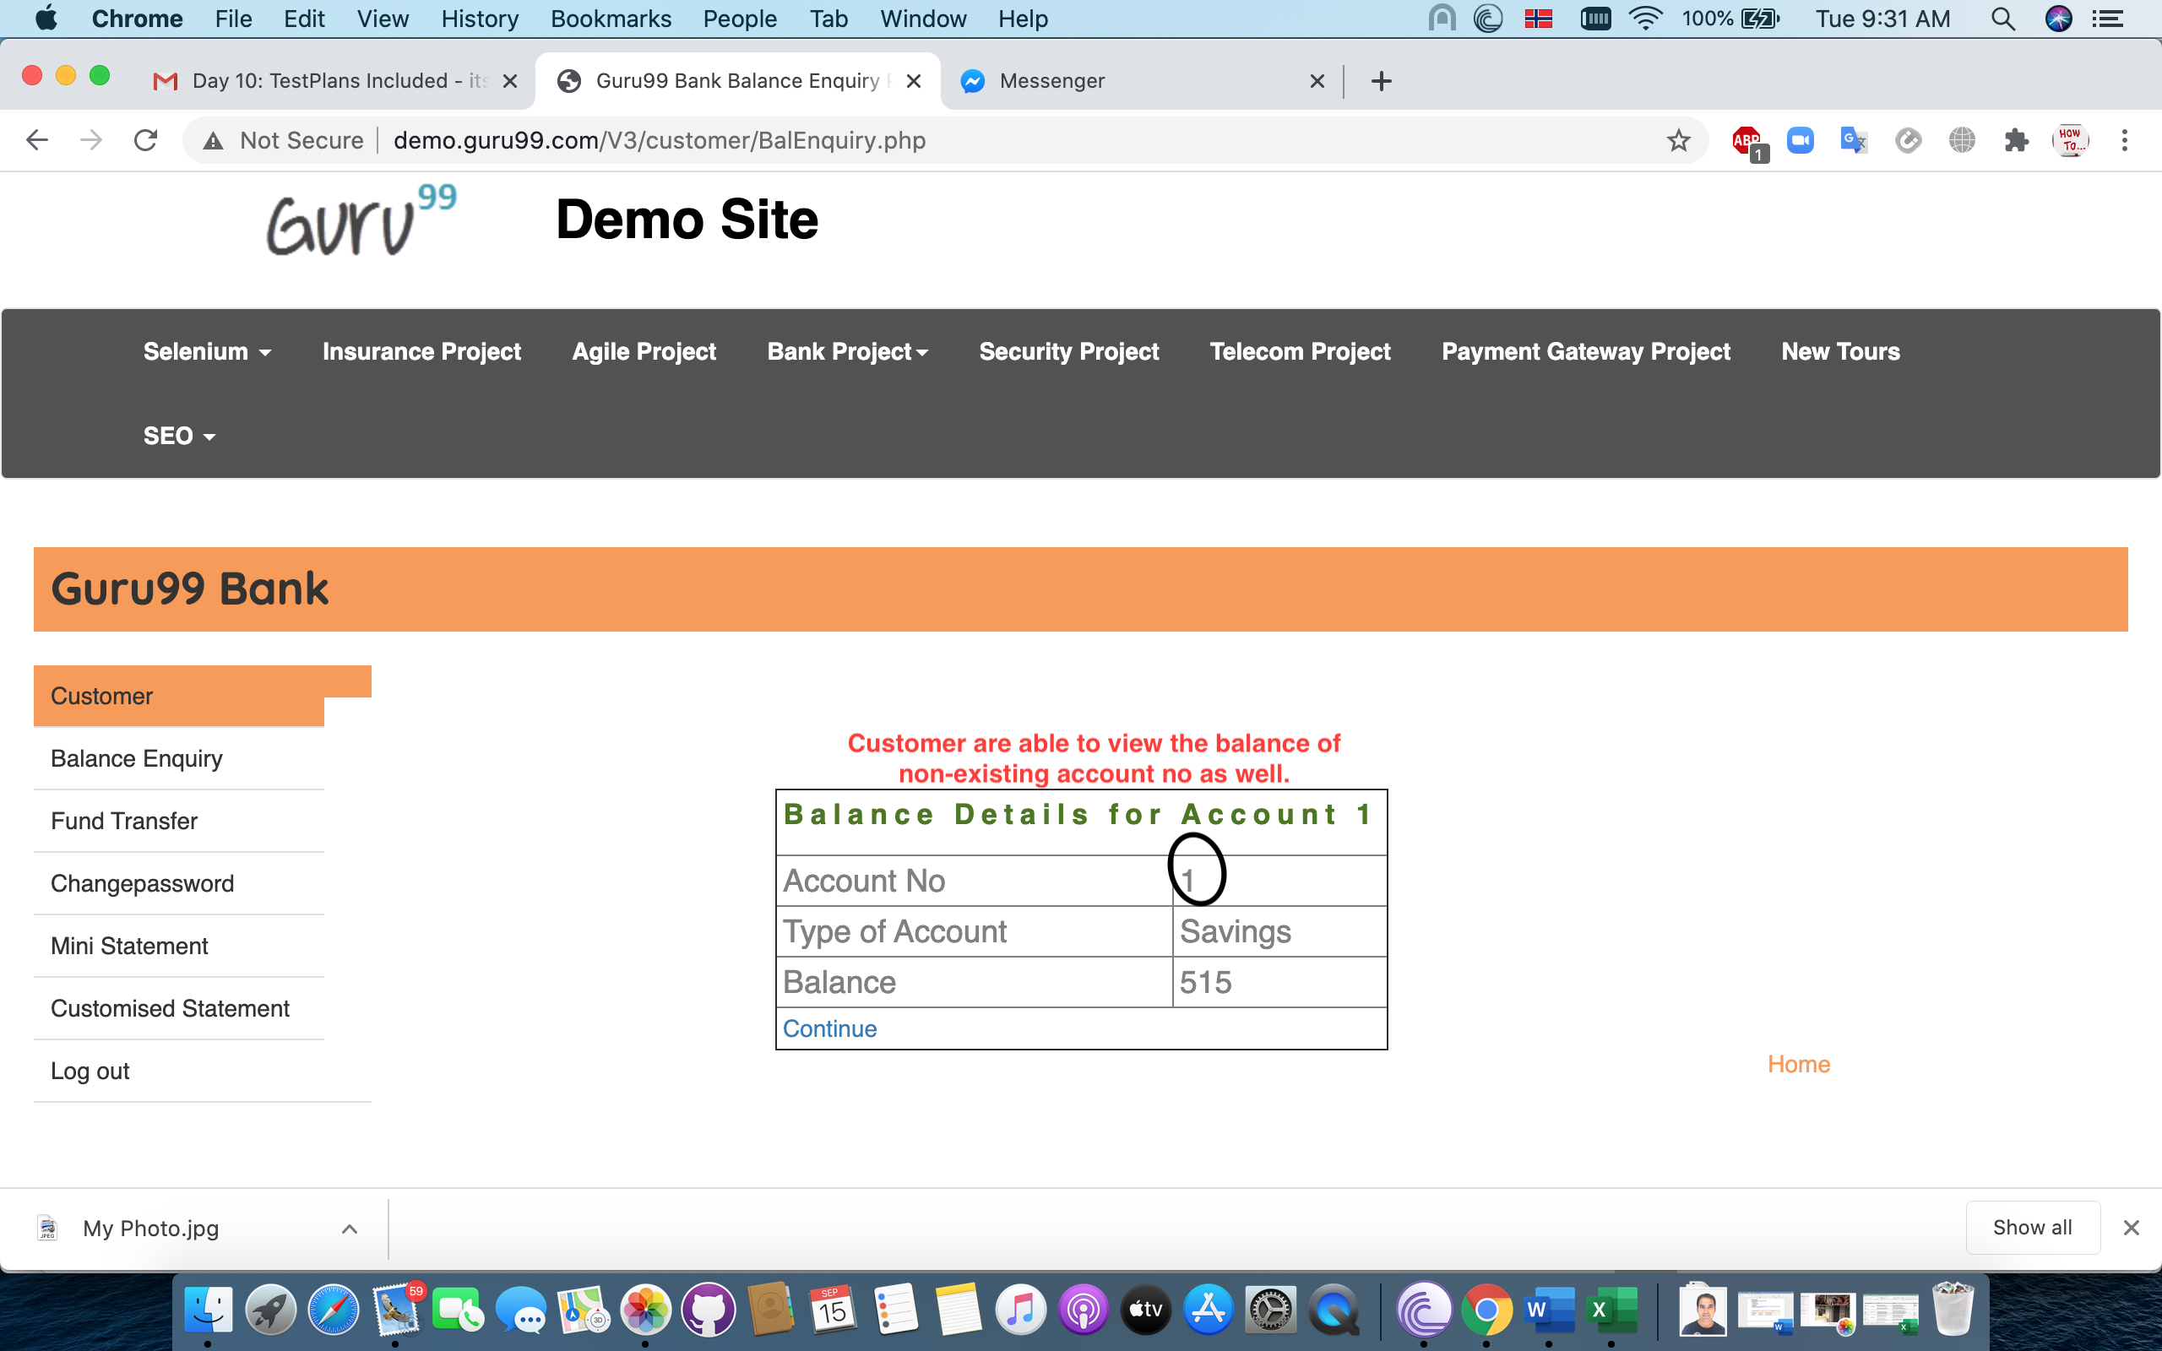 | High | High
BR_13 | Open | Bijaya | 3.1 | SC_5 | 1) Click the "Change Password" 2) Fill up the details (Enter the incorrect old password) 3) Click the submit button | Pop-Up Message : Old Password is incorrect. | Error : Page redirect to "not found " page. | 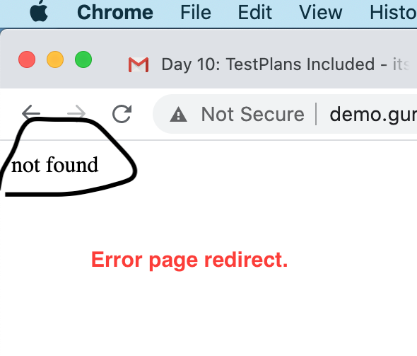 | High | Low
BR_13 | Open | Bijaya | 3.1 | SC_5 | 1) Click the "Change Password" 2) Fill up the details (Enter the incorrect old password) 3) Click the submit button | Pop-Up Message : Old Password is incorrect. | Error : Page redirect to "not found " page. |  | High | Low
BR_14 | Open | Bijaya | 3.1 | SC_5 | 1) Click the valid username and valid password (recently changed) 2) Click the submit button | Should land to the home page of the website. | Error : Functional dependecy with test case SC_6. | N/A | High | Low
BR_15 | Open | Bijaya | 3.1 | SC_12 | 1) Click on Customized Statement 2) Enter all required fields 3) Submit | Customized statement should be shown | Error : Does not show the fund transfer transcation | 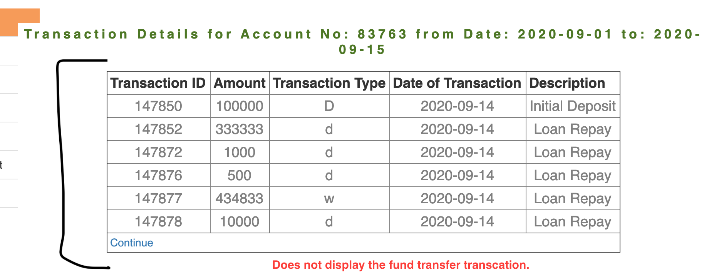 | High | High
BR_16 | Open | Bijaya | 3.1 | SC_13 | 1) Click on Fund Transfer 2) Enter wrong Payer account number which is not associated with customer 3) Submit | Display alert messsage "You are not authorize to Transfer Funds from this account!! " | Error : Wrong error message is shown. | 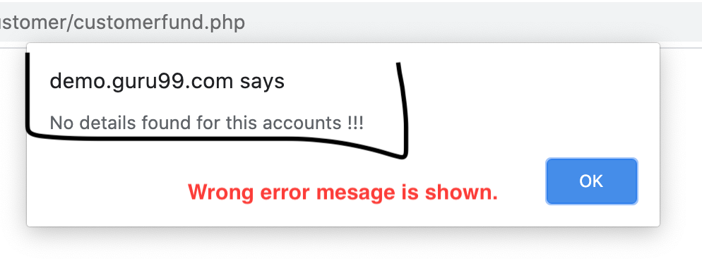 | Low | Low
BR_16 | Open | Bijaya | 3.1 | WS_6 | 1) Do not enter a value in account number in URL | An error in message "No Data " should be displayed in json format | Error : Data in JSON format is shown. |  | High | High

